Info
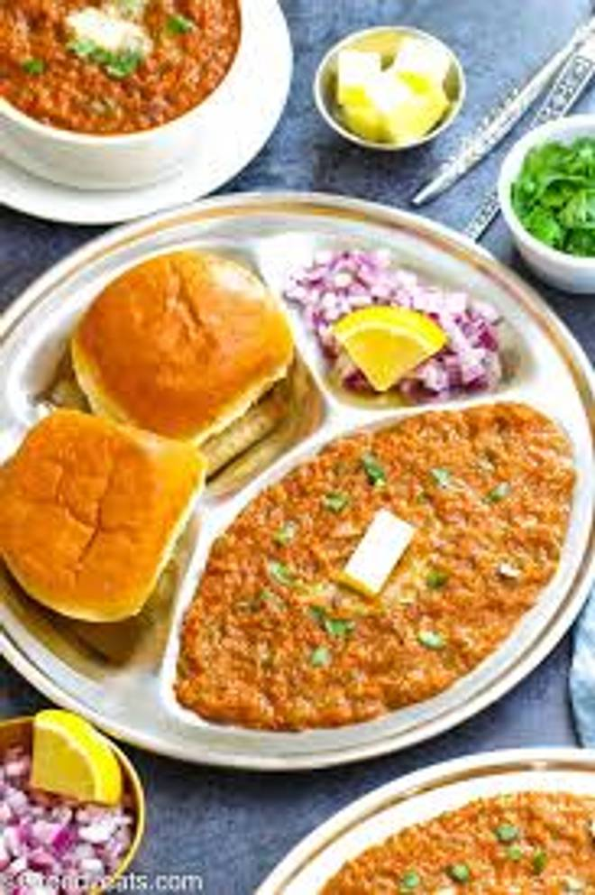
🍊 Restaurant Information

Name | Bombay Pav Bhaji
Area | Mandvi
Rating | 2
Total Ratings | <3 ratings
Cuisines | Snacks, Fast Food
Cost for Two | ₹300 for two
Delivery Time | 43 mins
Swiggy URL | https://www.swiggy.com/city/vadodara/bombay-pav-bhaji-mandvi-rest963185
Scraped On | 18 Mar 2026, 10:25 am

── Menu Stats ──
Total Items | 15
Veg Items | 0
Non-Veg Items | 0
Bestsellers | 0
Items with Photo | 5
Categories | Chaat, Momos, French fries

