Info
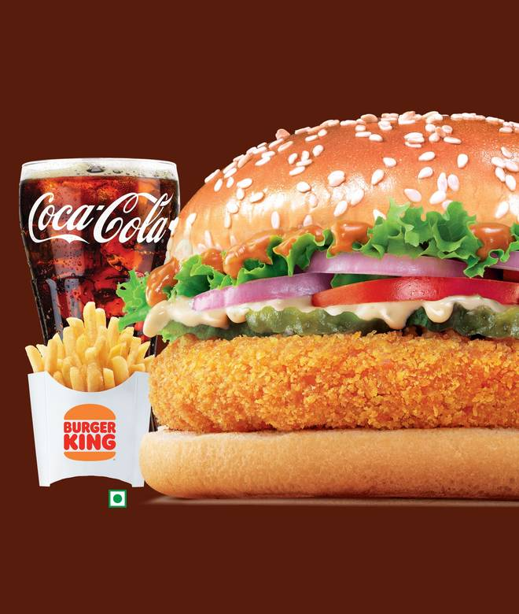
🍊 Restaurant Information

Name | Burger King
Area | Sayajigunj
Rating | 4.3
Total Ratings | 9.9K+ ratings
Cuisines | Burgers, American
Cost for Two | ₹350 for two
Delivery Time | 13 mins
Swiggy URL | https://www.swiggy.com/city/vadodara/burger-king-iscon-jan-mahal-sayajigunj-rest573379
Scraped On | 18 Mar 2026, 10:07 am

── Menu Stats ──
Total Items | 295
Veg Items | 0
Non-Veg Items | 0
Bestsellers | 0
Items with Photo | 295
Categories | Recommended, Mix'N'Match- Your Way (upto 50% OFF), NEW BK Fusion (Made with KitKat), Festive Specials( Save upto 39%), New Whopper Deluxe, Korean Spicy Fest(Limited Time Only), Burgers, Wraps & Tacos, Sides & Snacks, BK Café (Coffee & Shakes), Value Meals (Save Upto 47%), Exclusive Deals (Save upto 40%), Kings Collection ( Premium Burgers ), Party Specials (Save upto 37%), Desserts, Soft Drinks, Friends & Family Combo (Save upto 20%)

