Info
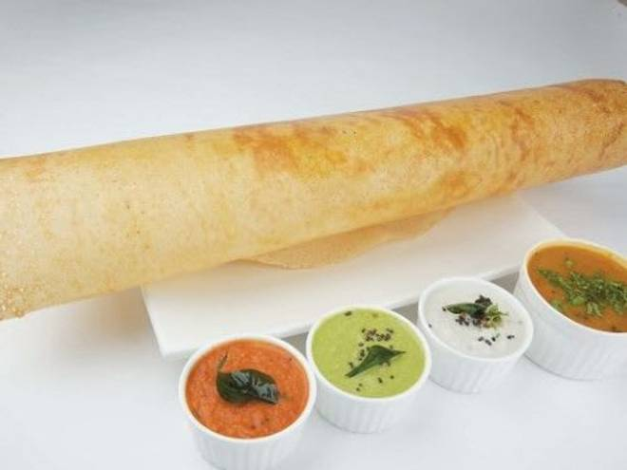
🍊 Restaurant Information

Name | Cafe Bengaluru
Area | Akota
Rating | 4.3
Total Ratings | 9.1K+ ratings
Cuisines | South Indian, Beverages
Cost for Two | ₹278 for two
Delivery Time | 21 mins
Swiggy URL | https://www.swiggy.com/city/vadodara/cafe-bengaluru-r-c-dutt-road-akota-rest776558
Scraped On | 18 Mar 2026, 10:08 am

── Menu Stats ──
Total Items | 110
Veg Items | 0
Non-Veg Items | 0
Bestsellers | 0
Items with Photo | 62
Categories | Day Long Special, Morning Tiffin (available Till 12 Noon), Tiffin (fullday), Dosa (full Day), Uttapam's, Millet Uttapam's, Millet Dosa, Signature Dosa, Bengaluru's Traditional Dosa, Traditional Sweets, Hot Beverages, Cold Beverages, Rice Specialities (250 Gms) After 11:30pm, Cafe Bengaluru Special Meals After 11:30pm

