Info
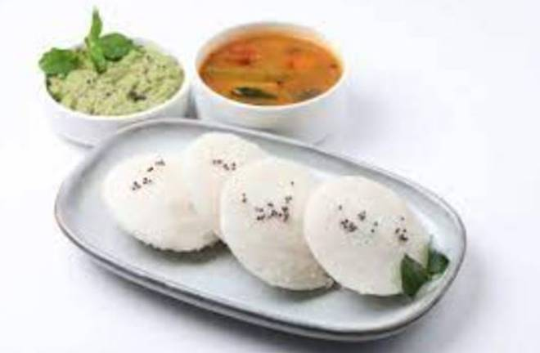
🍊 Restaurant Information

Name | Cafe Bengaluru Darshini
Area | Akota
Rating | 4.6
Total Ratings | 524 ratings
Cuisines | South Indian
Cost for Two | ₹199 for two
Delivery Time | 26 mins
Swiggy URL | https://www.swiggy.com/city/vadodara/cafe-bengaluru-darshini-akota-rest1073117
Scraped On | 18 Mar 2026, 10:14 am

── Menu Stats ──
Total Items | 29
Veg Items | 0
Non-Veg Items | 0
Bestsellers | 0
Items with Photo | 3
Categories | Wednesday Millet, Everyday Millet Uttapam, Everyday Millet Dosa, Everyday Millet Idli, Thursday Millet

