Info
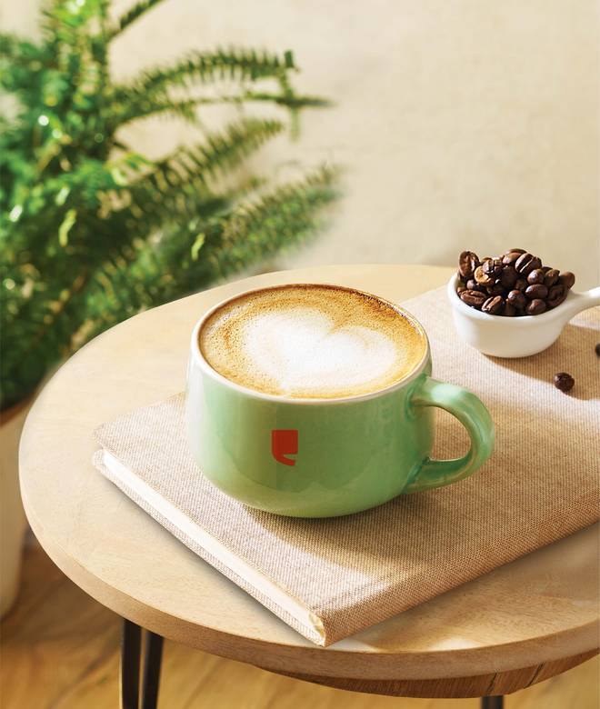
🍊 Restaurant Information

Name | Cafe Coffee Day
Area | Fatehgunj
Rating | 4.6
Total Ratings | 519 ratings
Cuisines | Beverages, Cafe
Cost for Two | ₹400 for two
Delivery Time | 29 mins
Swiggy URL | https://www.swiggy.com/city/vadodara/cafe-coffee-day-main-road-fatehgunj-rest336570
Scraped On | 18 Mar 2026, 10:10 am

── Menu Stats ──
Total Items | 105
Veg Items | 0
Non-Veg Items | 0
Bestsellers | 0
Items with Photo | 105
Categories | Recommended, Summer Specials , Cold Coffee Delights, Hot Coffee Selections, Celebration Cakes, Winter Specials, Hot Special Flavorful Beverages, All Day Breakfast Combos, Crunchy Burger And Crispy Sandwiches, Meal Box, Desserts And Sundaes, Toastizzas And Garlic Breads, Refreshing Quenchers, Flask, Coffee Powders, Cookies N More, Iced Coffees

