Info
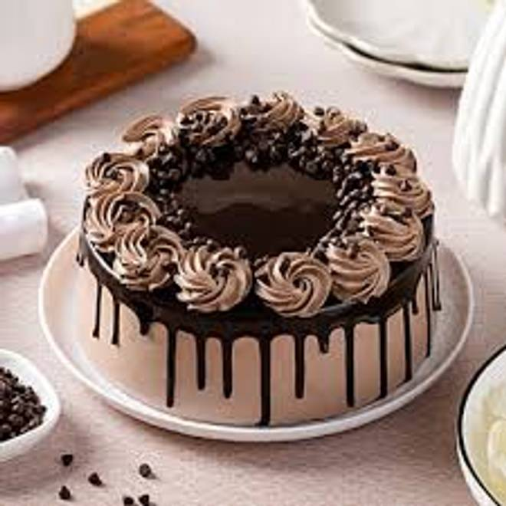
🍊 Restaurant Information

Name | Cake Basket
Area | Mandvi
Rating | --
Total Ratings | Too Few Ratings
Cuisines | Ice Cream Cakes
Cost for Two | ₹200 for two
Delivery Time | 37 mins
Swiggy URL | https://www.swiggy.com/city/vadodara/cake-basket-mandvi-rest1028459
Scraped On | 18 Mar 2026, 10:24 am

── Menu Stats ──
Total Items | 18
Veg Items | 0
Non-Veg Items | 0
Bestsellers | 0
Items with Photo | 0
Categories | Cakes

