Info
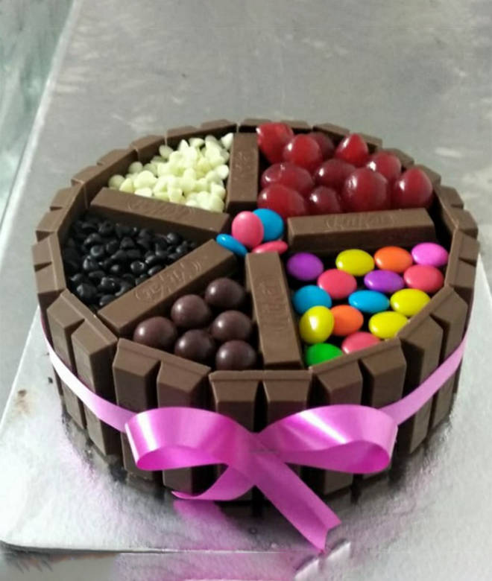
🍊 Restaurant Information

Name | Cake Bonzer Bites
Area | Alkapuri
Rating | 4.2
Total Ratings | 2.8K+ ratings
Cuisines | Cakes and Pastries, Bakery
Cost for Two | ₹900 for two
Delivery Time | 27 mins
Swiggy URL | https://www.swiggy.com/city/vadodara/cake-bonzer-bites-jetalpur-road-alkapuri-rest96324
Scraped On | 18 Mar 2026, 10:24 am

── Menu Stats ──
Total Items | 108
Veg Items | 0
Non-Veg Items | 0
Bestsellers | 0
Items with Photo | 65
Categories | Recommended, Cakes, Christmas & NYE Specials, Diwali Special Gift Pack, Christmas Gifting, Must Try Combos, Janmashtami special

