Info
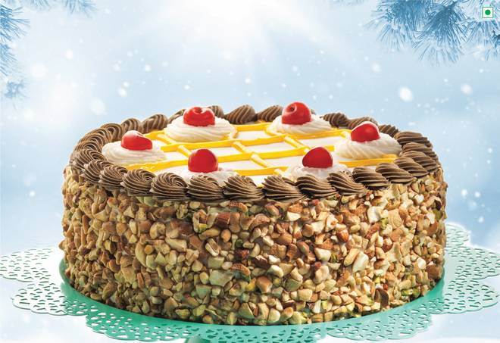
🍊 Restaurant Information

Name | Cake Plaza
Area | Warasiya
Rating | 4.1
Total Ratings | 2.3K+ ratings
Cuisines | Bakery
Cost for Two | ₹300 for two
Delivery Time | 42 mins
Swiggy URL | https://www.swiggy.com/city/vadodara/cake-plaza-rto-road-warasiya-rest173833
Scraped On | 18 Mar 2026, 10:18 am

── Menu Stats ──
Total Items | 63
Veg Items | 0
Non-Veg Items | 0
Bestsellers | 0
Items with Photo | 35
Categories | Recommended, Cakes, Christmas & NYE Specials, Must Try Combos

