Info
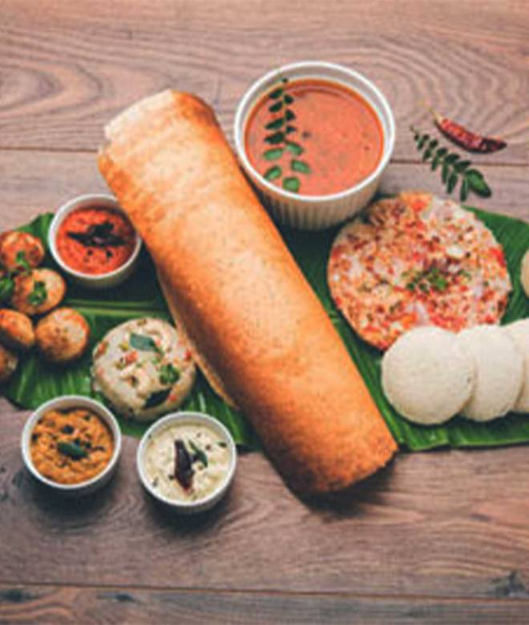
🍊 Restaurant Information

Name | Canara Coffee House (Idli, Dosa & More)
Area | Mandvi
Rating | 3.9
Total Ratings | 3.4K+ ratings
Cuisines | South Indian, Ice Cream
Cost for Two | ₹250 for two
Delivery Time | 29 mins
Swiggy URL | https://www.swiggy.com/city/vadodara/canara-coffee-house-idli-dosa-and-more-mandvi-rest482734
Scraped On | 18 Mar 2026, 10:10 am

── Menu Stats ──
Total Items | 59
Veg Items | 0
Non-Veg Items | 0
Bestsellers | 0
Items with Photo | 34
Categories | Recommended, South Indian, Bestseller Combos, Desserts & Beverages, Fresh Fruit Juices, Fasting Menu (Farali), Rice Meals

