Info
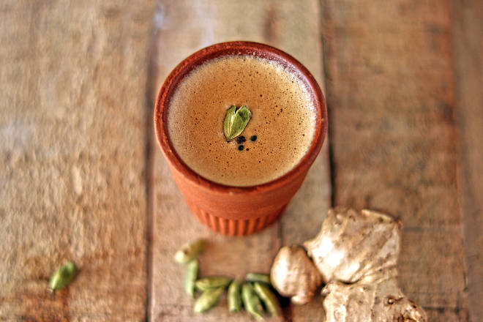
🍊 Restaurant Information

Name | Chai Wai
Area | Karelibaug
Rating | 4.6
Total Ratings | 1.9K+ ratings
Cuisines | Beverages, Snacks
Cost for Two | ₹150 for two
Delivery Time | 35 mins
Swiggy URL | https://www.swiggy.com/city/vadodara/chai-wai-balaji-nagar-karelibaug-rest212539
Scraped On | 18 Mar 2026, 10:05 am

── Menu Stats ──
Total Items | 140
Veg Items | 0
Non-Veg Items | 0
Bestsellers | 0
Items with Photo | 85
Categories | Recommended, Chai Pack, Whole Wheat Sandwiches, Chai Ke Sath, Quick Bites, Toasties, Homemade Desi Nashta, Hot And Cold Coffee, Shakes & More, Combos, Must Try Beverages, Cool Chai, Chai Without Milk

