Info
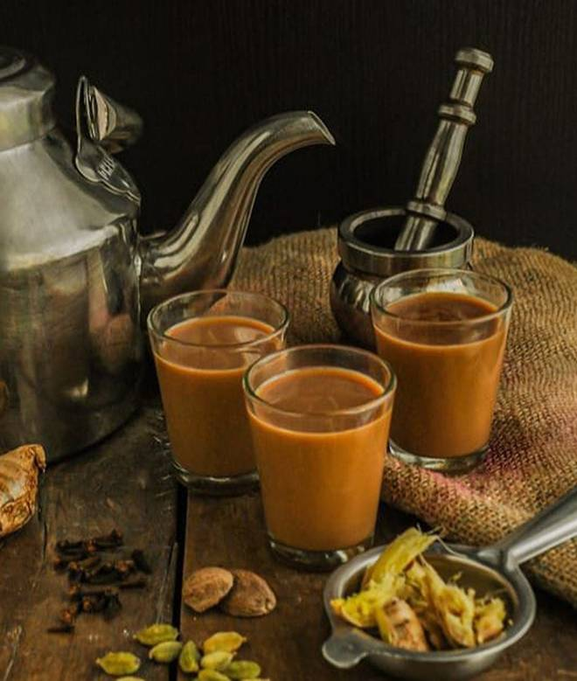
🍊 Restaurant Information

Name | Chai pe Charcha
Area | Atlantis, Gorwa
Rating | 4.3
Total Ratings | 222 ratings
Cuisines | Indian
Cost for Two | ₹200 for two
Delivery Time | 30 mins
Swiggy URL | https://www.swiggy.com/city/vadodara/chai-pe-charcha-atlantis-near-genda-circle-gorwa-atlantis-gorwa-rest238425
Scraped On | 18 Mar 2026, 10:08 am

── Menu Stats ──
Total Items | 0
Veg Items | 0
Non-Veg Items | 0
Bestsellers | 0
Items with Photo | 0
Categories

