Info
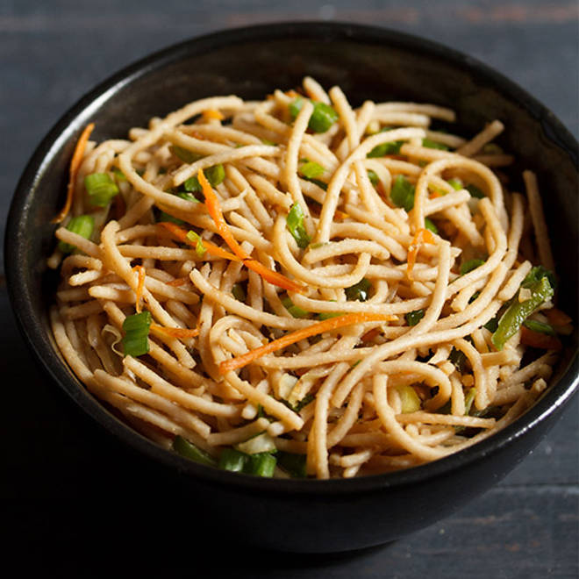
🍊 Restaurant Information

Name | Classic Kitchen
Area | Akota
Rating | 4
Total Ratings | 120 ratings
Cuisines | Street Food
Cost for Two | ₹250 for two
Delivery Time | 30 mins
Swiggy URL | https://www.swiggy.com/city/vadodara/classic-kitchen-akota-rest992172
Scraped On | 18 Mar 2026, 10:18 am

── Menu Stats ──
Total Items | 219
Veg Items | 0
Non-Veg Items | 0
Bestsellers | 0
Items with Photo | 217
Categories | Recommended, Bowls, Combos, Soups And Salads, Starters, Main Course, Breads, Biryani, Fried Rice And Noodles, Pasta, Burgers, Snacks, Rolls, Shawarma, Accompaniments

