Info
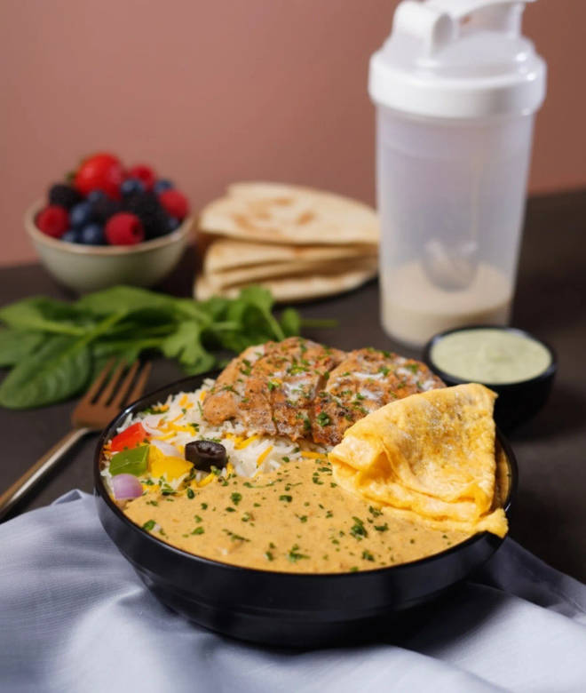
🍊 Restaurant Information

Name | Daily Protein Club
Area | Manjalpur
Rating | 4.4
Total Ratings | 5 ratings
Cuisines | Kebabs, Fast Food
Cost for Two | ₹500 for two
Delivery Time | 39 mins
Swiggy URL | https://www.swiggy.com/city/vadodara/daily-protein-club-vadiwadi-manjalpur-rest1227333
Scraped On | 18 Mar 2026, 10:08 am

── Menu Stats ──
Total Items | 17
Veg Items | 0
Non-Veg Items | 0
Bestsellers | 0
Items with Photo | 17
Categories | Recommended

