Info
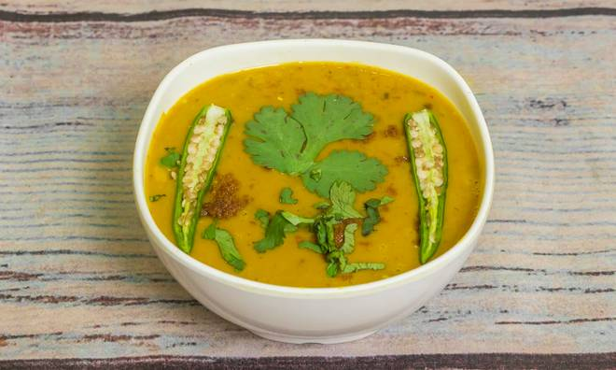
🍊 Restaurant Information

Name | Dalchini Restaurant
Area | Fatehgunj
Rating | 3.9
Total Ratings | 31 ratings
Cuisines | Indian, Snacks
Cost for Two | ₹350 for two
Delivery Time | 29 mins
Swiggy URL | https://www.swiggy.com/city/vadodara/dalchini-restaurant-abbas-tyabji-rd-fatehgunj-rest662631
Scraped On | 18 Mar 2026, 10:25 am

── Menu Stats ──
Total Items | 4
Veg Items | 0
Non-Veg Items | 0
Bestsellers | 0
Items with Photo | 1
Categories | Recommended, Combos

