Info
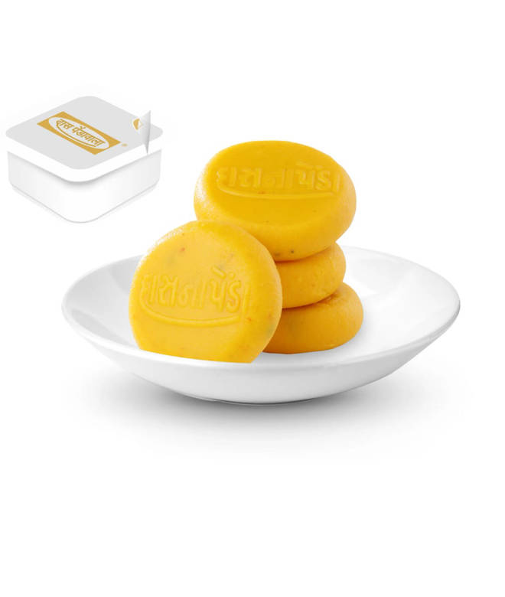
🍊 Restaurant Information

Name | Das Pendawala
Area | Akota
Rating | 4.8
Total Ratings | 114 ratings
Cuisines | Sweets, Snacks
Cost for Two | ₹250 for two
Delivery Time | 17 mins
Swiggy URL | https://www.swiggy.com/city/vadodara/das-pendawala-near-haveli-mandir-akota-rest865573
Scraped On | 18 Mar 2026, 10:14 am

── Menu Stats ──
Total Items | 41
Veg Items | 0
Non-Veg Items | 0
Bestsellers | 0
Items with Photo | 20
Categories | Recommended, Speciality Penda, Sweets, Bhavanagri Ganthia, Namkeen, penda Combos, Shrinkhand Amd Mattho, Sugar Free Sweets, Besan Sweets

