Info
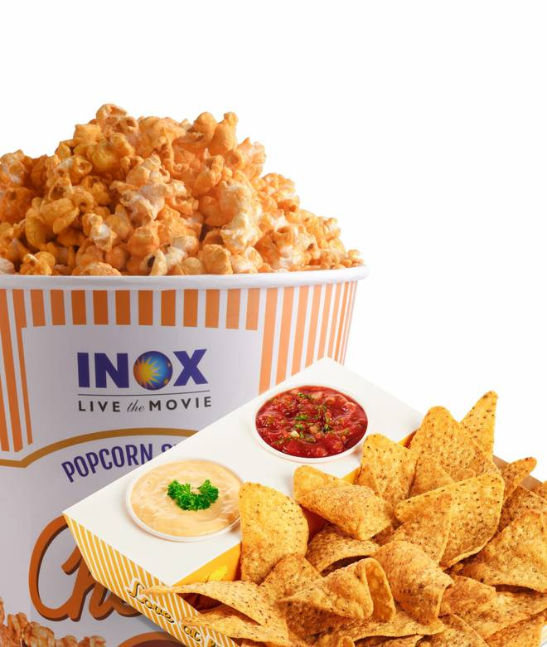
🍊 Restaurant Information

Name | Delights by INOX
Area | PVR EVA Mall Vadodara
Rating | --
Total Ratings | Too Few Ratings
Cuisines | Snacks
Cost for Two | ₹400 for two
Delivery Time | 33 mins
Swiggy URL | https://www.swiggy.com/city/vadodara/delights-by-inox-pvr-eva-mall-vadodara-rest1070599
Scraped On | 18 Mar 2026, 10:09 am

── Menu Stats ──
Total Items | 32
Veg Items | 0
Non-Veg Items | 0
Bestsellers | 0
Items with Photo | 28
Categories | Buy 1 Get 1 Free, Fresh Popcorns, Sandwich & Burger, Crunchy & Loaded Nachos, Fries & More, Match Day Combos, Popular Popcorn(save Upto 7%), Beverages

