Info
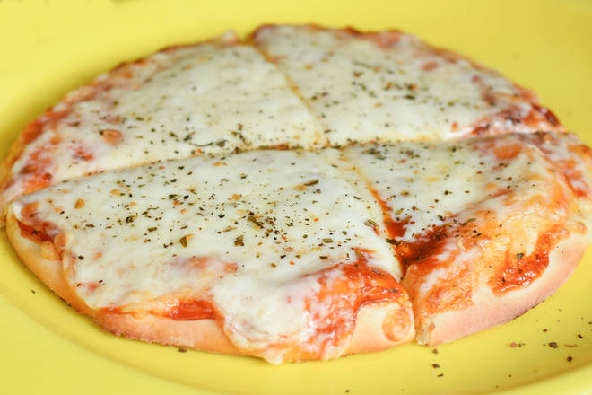
🍊 Restaurant Information

Name | Dhakka Mukki Eatery
Area | Karelibaug
Rating | 3.5
Total Ratings | 6 ratings
Cuisines | Italian-American, Fast Food
Cost for Two | ₹200 for two
Delivery Time | 35 mins
Swiggy URL | https://www.swiggy.com/city/vadodara/dhakka-mukki-eatery-karelibaug-rest587564
Scraped On | 18 Mar 2026, 10:25 am

── Menu Stats ──
Total Items | 39
Veg Items | 0
Non-Veg Items | 0
Bestsellers | 0
Items with Photo | 11
Categories | Combo, Fried Items, Pizza [6 Inch], Beverages, Sandwich, Garlic Bread, Burger, Frankie Wrap

