Info
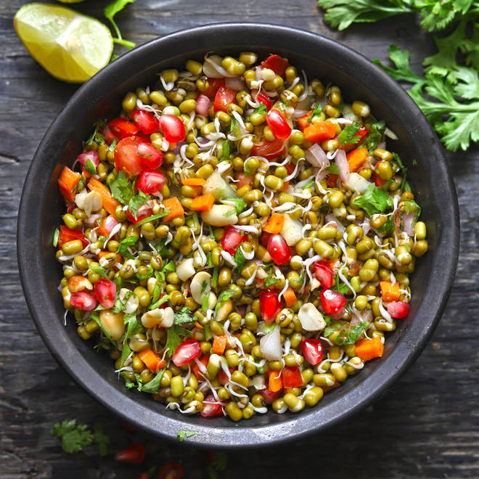
🍊 Restaurant Information

Name | Eat Fit
Area | Mandvi
Rating | 4.7
Total Ratings | 8 ratings
Cuisines | Pizzas, Fast Food
Cost for Two | ₹250 for two
Delivery Time | 44 mins
Swiggy URL | https://www.swiggy.com/city/vadodara/eat-fit-mandvi-rest1226303
Scraped On | 18 Mar 2026, 10:25 am

── Menu Stats ──
Total Items | 28
Veg Items | 0
Non-Veg Items | 0
Bestsellers | 0
Items with Photo | 15
Categories | Pasta, Salad, Rice Bowl, Soup, Healthy Breads

