Info
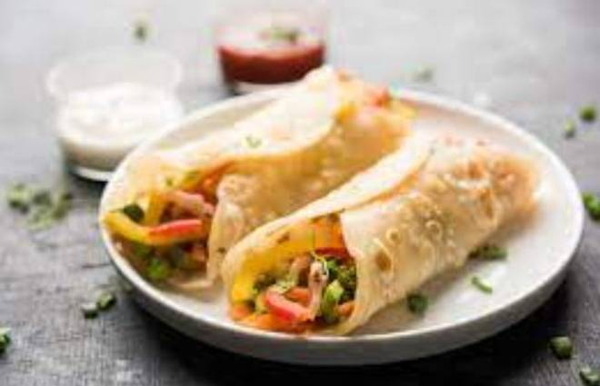
🍊 Restaurant Information

Name | Enjoy Food
Area | Mandvi
Rating | 4.5
Total Ratings | 415 ratings
Cuisines | Snacks, Fast Food
Cost for Two | ₹200 for two
Delivery Time | 737 mins
Swiggy URL | https://www.swiggy.com/city/vadodara/enjoy-food-mandvi-rest1031703
Scraped On | 18 Mar 2026, 10:25 am

── Menu Stats ──
Total Items | 64
Veg Items | 0
Non-Veg Items | 0
Bestsellers | 0
Items with Photo | 50
Categories | Grilled Sandwich, Pizza, Pasta, Maggi, Garlic Bread, Sandwich, Frankie, Shakes, Stuff Bun Paratha, Cold Coffee, French Fries, Burger, Rice Bowl, Mocktails, Toast

