Info
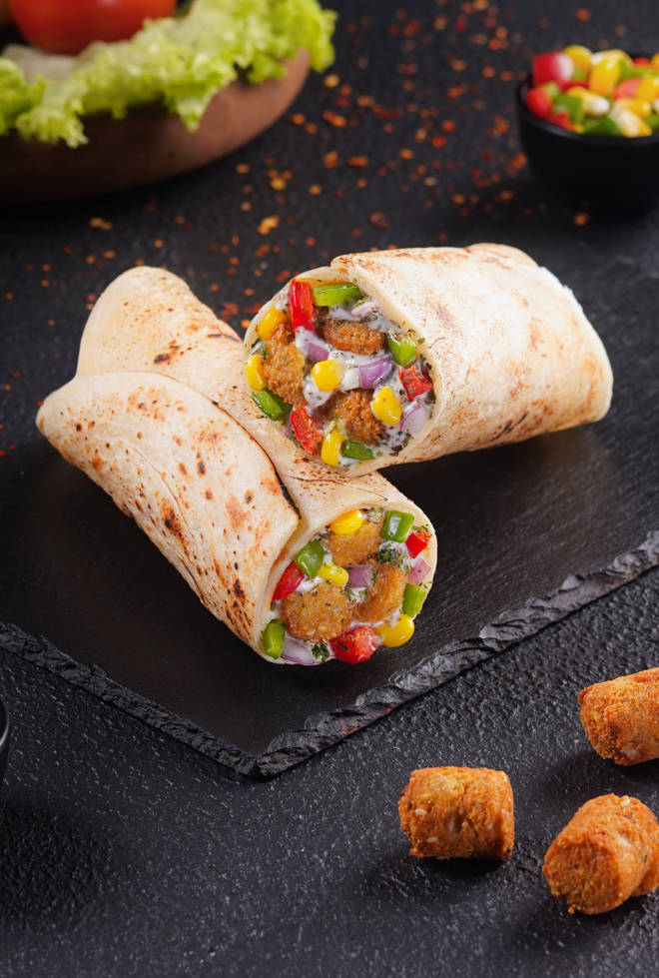
🍊 Restaurant Information

Name | Faasos' Signature Wraps & Rolls
Area | Manjalpur
Rating | 4.5
Total Ratings | 170 ratings
Cuisines | Fast Food, Snacks
Cost for Two | ₹350 for two
Delivery Time | 35 mins
Swiggy URL | https://www.swiggy.com/city/vadodara/faasos-signature-wraps-and-rolls-ongc-road-manjalpur-rest566443
Scraped On | 18 Mar 2026, 10:05 am

── Menu Stats ──
Total Items | 77
Veg Items | 0
Non-Veg Items | 0
Bestsellers | 0
Items with Photo | 76
Categories | Recommended, Shawarmas - Ramadan Specials, Super Saver Combos, Burger Wraps, Rice Bowls, International Wraps, Guilt Free Wraps (Wholewheat), High Protein Wraps, Meal Combos, Chinese Wraps, Indie Wraps, Sides & Beverages, Desserts

