Info
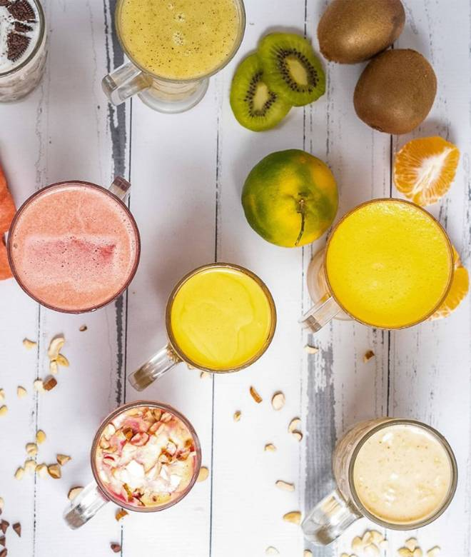
🍊 Restaurant Information

Name | Famous Neelkanth Juice
Area | Fatehgunj
Rating | 4.5
Total Ratings | 1.0K+ ratings
Cuisines | Juices, Desserts
Cost for Two | ₹150 for two
Delivery Time | 91 mins
Swiggy URL | https://www.swiggy.com/city/vadodara/famous-neelkanth-juice-fatehgunj-rest381307
Scraped On | 18 Mar 2026, 10:22 am

── Menu Stats ──
Total Items | 106
Veg Items | 0
Non-Veg Items | 0
Bestsellers | 0
Items with Photo | 35
Categories | Recommended, Fresh Juice, Special Faludas, Special Lassi, Blossomes, Milkshakes, Ice Cream, Premium Thickshakes, Extras

