Info
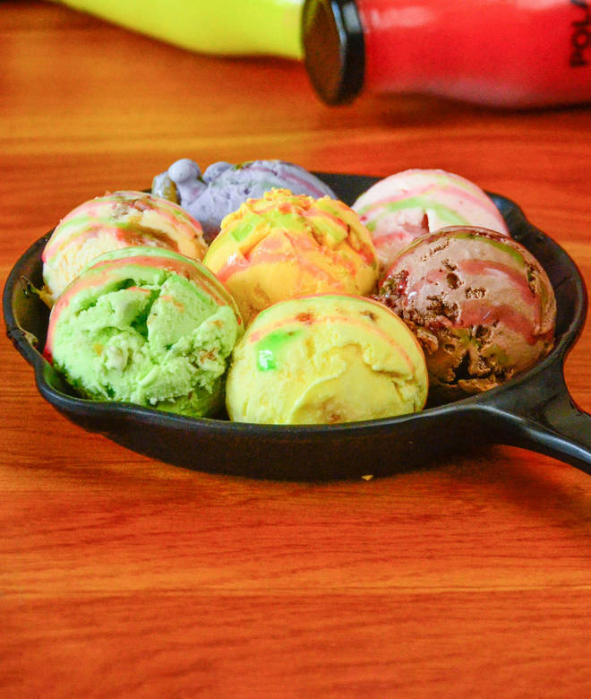
🍊 Restaurant Information

Name | Farki
Area | Karelibaug
Rating | 4.8
Total Ratings | 1.0K+ ratings
Cuisines | Sweets, Beverages
Cost for Two | ₹150 for two
Delivery Time | 22 mins
Swiggy URL | https://www.swiggy.com/city/vadodara/farki-jay-santoshinagar-society-karelibaug-rest516440
Scraped On | 18 Mar 2026, 10:16 am

── Menu Stats ──
Total Items | 105
Veg Items | 0
Non-Veg Items | 0
Bestsellers | 0
Items with Photo | 105
Categories | Recommended, Milk Shakes, Lassi, Matho, Ice-cream Party Pack, Faluda, Varieties, Ice-cream Scoop, Candies & Cone & Kulfi, Specialities, Sweets, Sundae, Dahi & Paneer, Premium

