Info
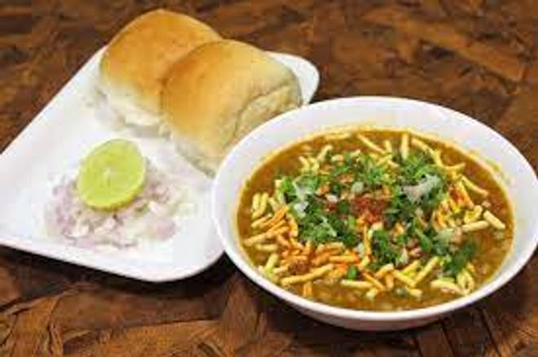
🍊 Restaurant Information

Name | Fateraj Sev Usad & Nasta House
Area | Karelibaug
Rating | 4.1
Total Ratings | 293 ratings
Cuisines | Snacks, Street Food
Cost for Two | ₹100 for two
Delivery Time | 32 mins
Swiggy URL | https://www.swiggy.com/city/vadodara/fateraj-sev-usad-and-nasta-house-jalaram-road-karelibaug-rest455781
Scraped On | 18 Mar 2026, 10:27 am

── Menu Stats ──
Total Items | 9
Veg Items | 0
Non-Veg Items | 0
Bestsellers | 0
Items with Photo | 7
Categories | Recommended, Extra Add ons

