Info
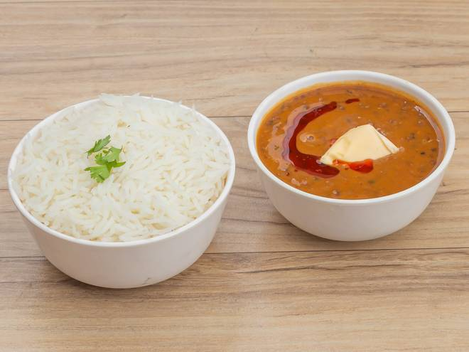
🍊 Restaurant Information

Name | Flavours Of Bihar
Area | Fatehgunj
Rating | 4.2
Total Ratings | 422 ratings
Cuisines | Bihari, Indian
Cost for Two | ₹199 for two
Delivery Time | 31 mins
Swiggy URL | https://www.swiggy.com/city/vadodara/flavours-of-bihar-blue-lagoon-fatehgunj-rest710126
Scraped On | 18 Mar 2026, 10:22 am

── Menu Stats ──
Total Items | 19
Veg Items | 0
Non-Veg Items | 0
Bestsellers | 0
Items with Photo | 3
Categories | Recommended, Combos, Snacks, Drinks, Bihari Special, Desserts

