Info
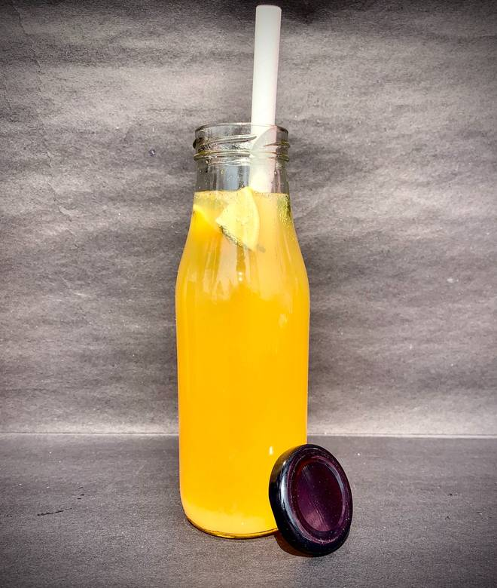
🍊 Restaurant Information

Name | Fruit Fiesta
Area | Akota
Rating | 4.6
Total Ratings | 7 ratings
Cuisines | Beverages, Juices
Cost for Two | ₹200 for two
Delivery Time | 28 mins
Swiggy URL | https://www.swiggy.com/city/vadodara/fruit-fiesta-akota-rest1289806
Scraped On | 18 Mar 2026, 10:23 am

── Menu Stats ──
Total Items | 63
Veg Items | 0
Non-Veg Items | 0
Bestsellers | 0
Items with Photo | 34
Categories | Buy 2 Get 1 Free, Fruit Bowls, Fasting Special, Healthy Chaats, Fresh Juices, Smoothies, Milk Shakes

