Info
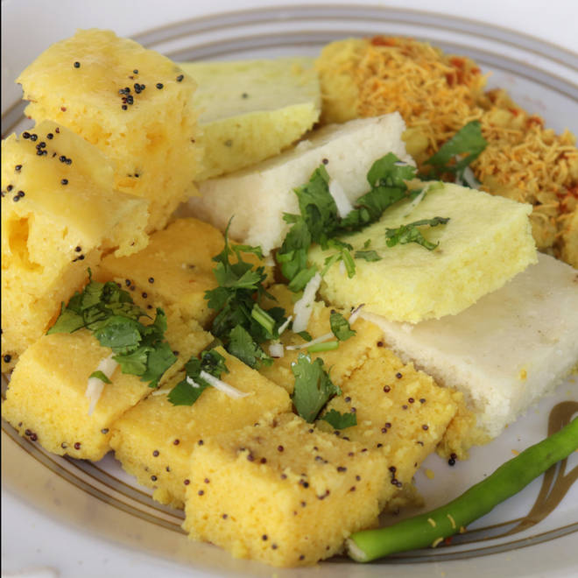
🍊 Restaurant Information

Name | Gandhi Khaman House
Area | Karelibaug
Rating | 4.4
Total Ratings | 1.3K+ ratings
Cuisines | Snacks
Cost for Two | ₹150 for two
Delivery Time | 35 mins
Swiggy URL | https://www.swiggy.com/city/vadodara/gandhi-khaman-house-harni-road-karelibaug-rest94618
Scraped On | 18 Mar 2026, 10:19 am

── Menu Stats ──
Total Items | 33
Veg Items | 0
Non-Veg Items | 0
Bestsellers | 0
Items with Photo | 28
Categories | MONSOON SPECIAL , Samosa, Khaman, Dhokla, Surti Locho

