Info
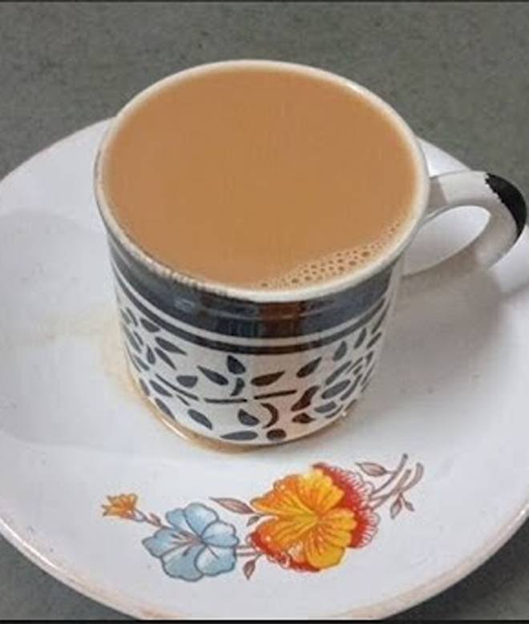
🍊 Restaurant Information

Name | Ganga Restaurant
Area | Mandvi
Rating | 4
Total Ratings | 17 ratings
Cuisines | Beverages, Snacks
Cost for Two | ₹100 for two
Delivery Time | 48 mins
Swiggy URL | https://www.swiggy.com/city/vadodara/ganga-restaurant-mandvi-rest1184674
Scraped On | 18 Mar 2026, 10:19 am

── Menu Stats ──
Total Items | 27
Veg Items | 0
Non-Veg Items | 0
Bestsellers | 0
Items with Photo | 23
Categories | Tiffins, Aloo paratha, Beverages, Vada pav, Dhokla, Maskabun, Butter aloo paratha, Papdi

