Info
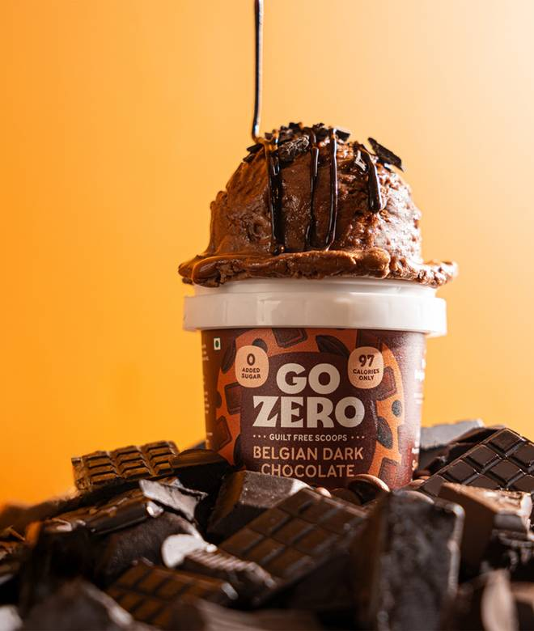
🍊 Restaurant Information

Name | Go Zero Ice Creams & Desserts
Area | Manjalpur
Rating | 4.5
Total Ratings | 227 ratings
Cuisines | Ice Cream, Desserts
Cost for Two | ₹150 for two
Delivery Time | 30 mins
Swiggy URL | https://www.swiggy.com/city/vadodara/go-zero-ice-creams-and-desserts-infinity-arcade-manjalpur-rest883879
Scraped On | 18 Mar 2026, 10:08 am

── Menu Stats ──
Total Items | 14
Veg Items | 0
Non-Veg Items | 0
Bestsellers | 0
Items with Photo | 14
Categories | Recommended

