Info
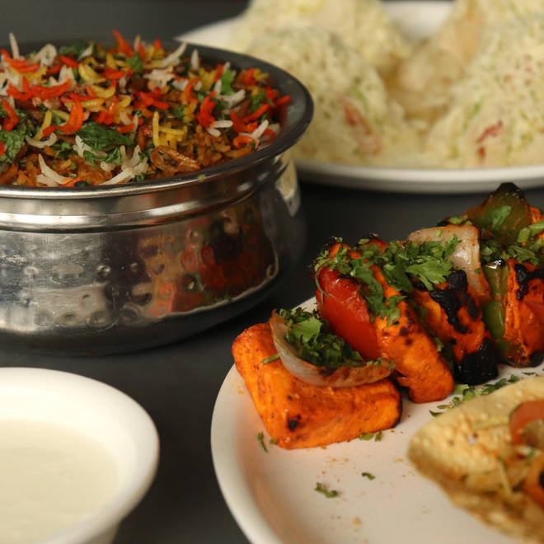
🍊 Restaurant Information

Name | Gourmet Restaurant
Area | Alkapuri
Rating | 4.3
Total Ratings | 3.5K+ ratings
Cuisines | Mughlai, Chinese
Cost for Two | ₹350 for two
Delivery Time | 23 mins
Swiggy URL | https://www.swiggy.com/city/vadodara/gourmet-restaurant-sampatrao-colony-alkapuri-rest111733
Scraped On | 18 Mar 2026, 10:12 am

── Menu Stats ──
Total Items | 255
Veg Items | 0
Non-Veg Items | 0
Bestsellers | 0
Items with Photo | 165
Categories | Recommended, Single's Menu, 99 Store, Snack & Bites, Rice And Biryani, Egg, Parathas, Along The Way, Indian Breads, Rice, Starters, Sweet, Beverages, Veg Soup, Beverage Combos, Chinese Strater, Delicious Dal, Must Try Combos, Chicken Soup, Chicken Main Course, Paneer Aapki Pasand Ka, Chinese Starters, Slippery Noodles, Chinese Rice, Super Happy Hours, Fish, Veg Thali, Non Veg Thali, Farm Fresh

