Info
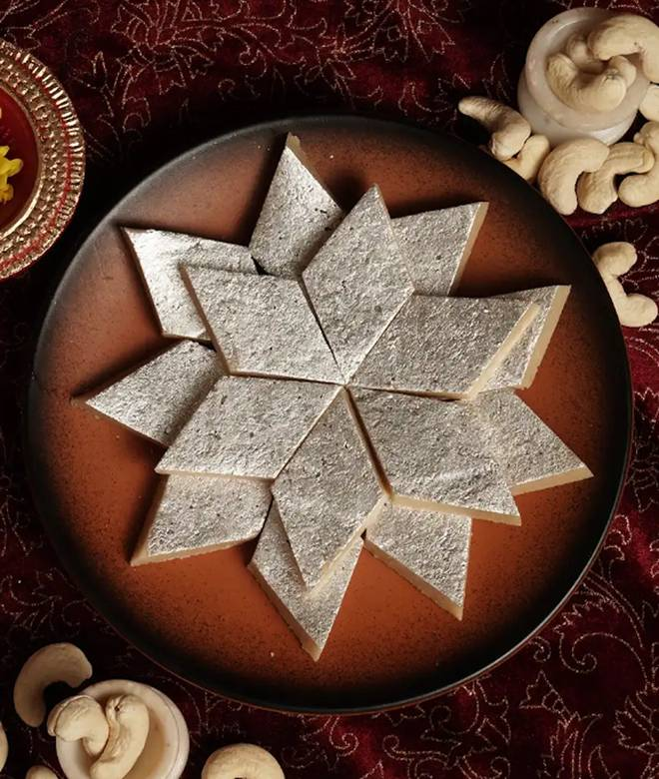
🍊 Restaurant Information

Name | Gwalia Sweets & Fast Food
Area | Vadiwadi
Rating | 4.4
Total Ratings | 6.0K+ ratings
Cuisines | Sweets, Thalis
Cost for Two | ₹300 for two
Delivery Time | 24 mins
Swiggy URL | https://www.swiggy.com/city/vadodara/gwalia-sweets-and-fast-food-emerald-vadiwadi-rest93525
Scraped On | 18 Mar 2026, 10:05 am

── Menu Stats ──
Total Items | 157
Veg Items | 0
Non-Veg Items | 0
Bestsellers | 0
Items with Photo | 66
Categories | Mango Mania, Bangali Sweets, Ghee Sweets, Mava Sweets (khoya), Dry Fruit Sweets, Bite Sweets, Baklawa, Soan Papdi Counter, Beverages, Chandni Chowk Ki Chaat, Mini Meals, Main Course & Gwalia Thali, Continental Delicacies, Continental

