Info
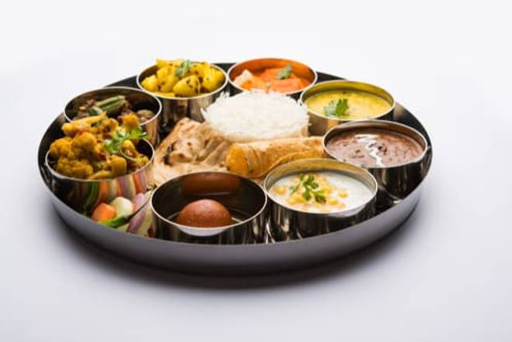
🍊 Restaurant Information

Name | HanuRam Foods Pvt Ltd
Area | Akota
Rating | 4.4
Total Ratings | 4.5K+ ratings
Cuisines | Sweets, Chinese
Cost for Two | ₹300 for two
Delivery Time | 17 mins
Swiggy URL | https://www.swiggy.com/city/vadodara/hanuram-foods-pvt-ltd-chakli-circle-akota-rest653715
Scraped On | 18 Mar 2026, 10:12 am

── Menu Stats ──
Total Items | 305
Veg Items | 0
Non-Veg Items | 0
Bestsellers | 0
Items with Photo | 215
Categories | Recommended, Summer, Hanuram Special, Vrat / Upwas Special, Farsan, South Indian, Farsan / Hot Snacks, Dessert, Beverages, Extras, Sweet, Namkeen, Dry Fruits, Khakhra / Chakri, Winter Special, Maharaja Thali, Starters, Thali / Packed Lunch, Combos / Rice Bowls, Breads, Punjabi, Chinese, Dilli Chaat

