Info
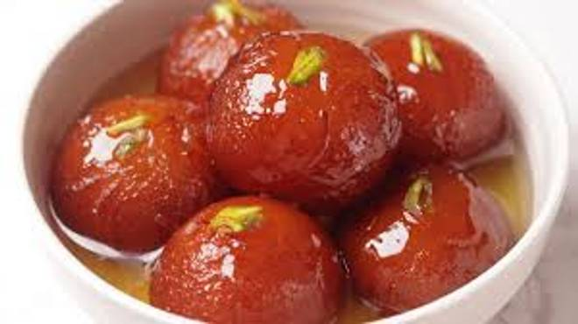
🍊 Restaurant Information

Name | Hari Jodhpur Sweets
Area | Fatehgunj
Rating | 3.7
Total Ratings | 9 ratings
Cuisines | Beverages, Sweets
Cost for Two | ₹350 for two
Delivery Time | 25 mins
Swiggy URL | https://www.swiggy.com/city/vadodara/hari-jodhpur-sweets-fatehgunj-rest1253306
Scraped On | 18 Mar 2026, 10:20 am

── Menu Stats ──
Total Items | 73
Veg Items | 0
Non-Veg Items | 0
Bestsellers | 0
Items with Photo | 44
Categories | Sweets, Hot Snacks, Dry Farshan, Jodhpuri Spl, Paneer, Farali Farshan

