Info
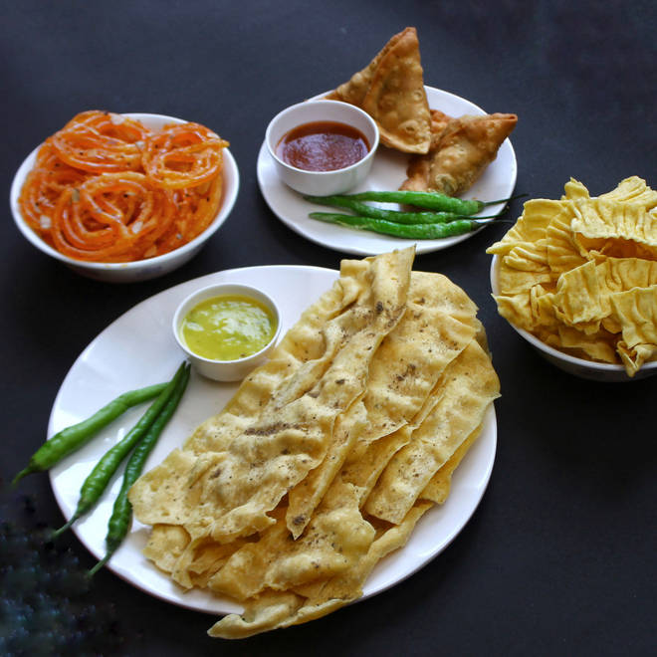
🍊 Restaurant Information

Name | Harsiddhi farsan
Area | Akota
Rating | 4.6
Total Ratings | 6.2K+ ratings
Cuisines | Desserts, Street Food
Cost for Two | ₹450 for two
Delivery Time | 15 mins
Swiggy URL | https://www.swiggy.com/city/vadodara/harsiddhi-farsan-akota-rest74061
Scraped On | 18 Mar 2026, 10:12 am

── Menu Stats ──
Total Items | 213
Veg Items | 0
Non-Veg Items | 0
Bestsellers | 0
Items with Photo | 65
Categories | Recommended, Super Saver Meals, Hot Snacks, Holi Specials, IPL Combos, Combos, Must Try Combos, Navratri Specials, Variety Of Khakra, Dussehra Special, Rakhi Specials, Sweets, Regular Farshan, Navratri Special, Bhakarvali, Variety of Sev, Chevdas & More, Mix Chavana Variety, Variety of Bhakri, Variety Of Chakri, Fafda Jalebi Specials, Farali Snack Items, Pani Puri, Other Mix Farsan, Roasted Items, Bakery Items, Ghau Na Khakra, Quick Bites, Rakhi Combo

