Info
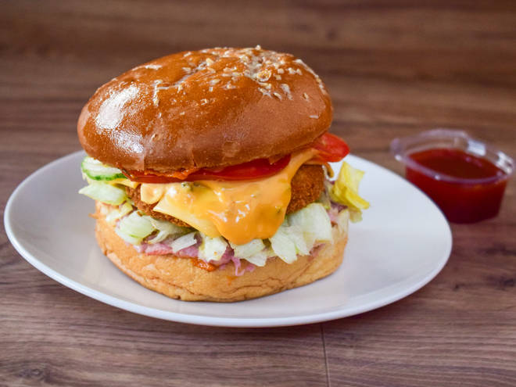
🍊 Restaurant Information

Name | Hatke Vada
Area | Mandvi
Rating | 5
Total Ratings | <3 ratings
Cuisines | Burgers
Cost for Two | ₹100 for two
Delivery Time | 37 mins
Swiggy URL | https://www.swiggy.com/city/vadodara/hatke-vada-rokadnath-hanuman-mandir-rd-mandvi-rest694296
Scraped On | 18 Mar 2026, 10:24 am

── Menu Stats ──
Total Items | 35
Veg Items | 0
Non-Veg Items | 0
Bestsellers | 0
Items with Photo | 22
Categories | Recommended, Cooler, Hatke Vadapav, Special Pizza, Hatke Fries, Shakes, Hatkes Combo, Sanck

