Info
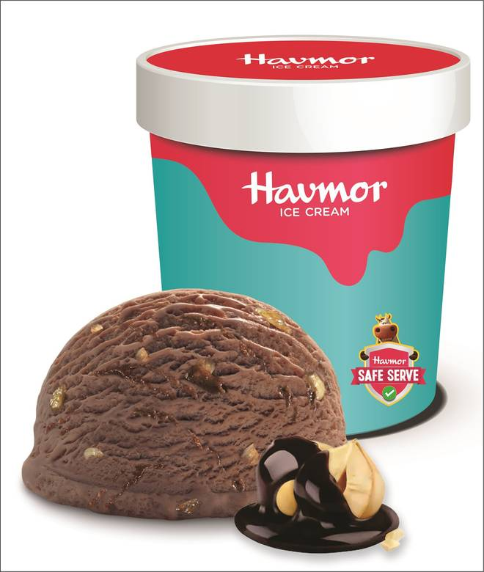
🍊 Restaurant Information

Name | Havmor Havfunn Ice Cream
Area | Fatehgunj
Rating | 3.3
Total Ratings | 42 ratings
Cuisines | Ice Cream, Ice Cream Cakes
Cost for Two | ₹250 for two
Delivery Time | 31 mins
Swiggy URL | https://www.swiggy.com/city/vadodara/havmor-havfunn-ice-cream-fatehgunj-rest144918
Scraped On | 18 Mar 2026, 10:14 am

── Menu Stats ──
Total Items | 0
Veg Items | 0
Non-Veg Items | 0
Bestsellers | 0
Items with Photo | 0
Categories

