Info
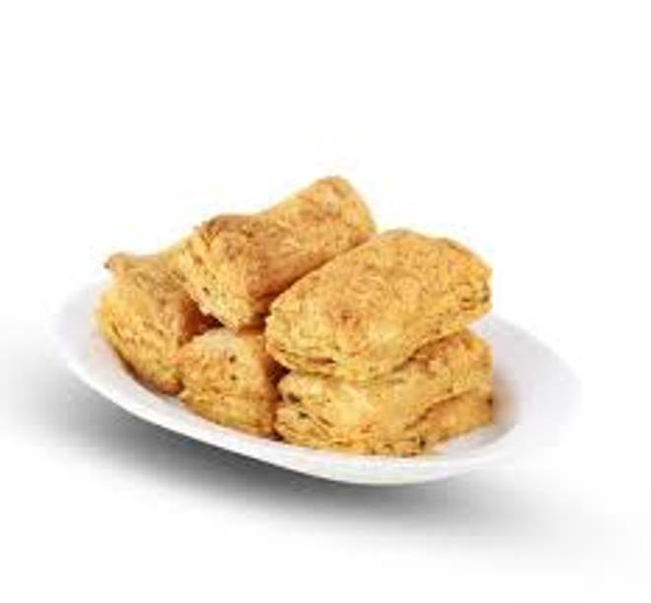
🍊 Restaurant Information

Name | Hindustan Bakery
Area | Mandvi
Rating | 4.2
Total Ratings | 4 ratings
Cuisines | Bakery
Cost for Two | ₹100 for two
Delivery Time | 37 mins
Swiggy URL | https://www.swiggy.com/city/vadodara/hindustan-bakery-bahar-colony-mandvi-rest990888
Scraped On | 18 Mar 2026, 10:15 am

── Menu Stats ──
Total Items | 12
Veg Items | 0
Non-Veg Items | 0
Bestsellers | 0
Items with Photo | 12
Categories | Puff, Khari 200 Gram, Toast 200 Gram

