Info
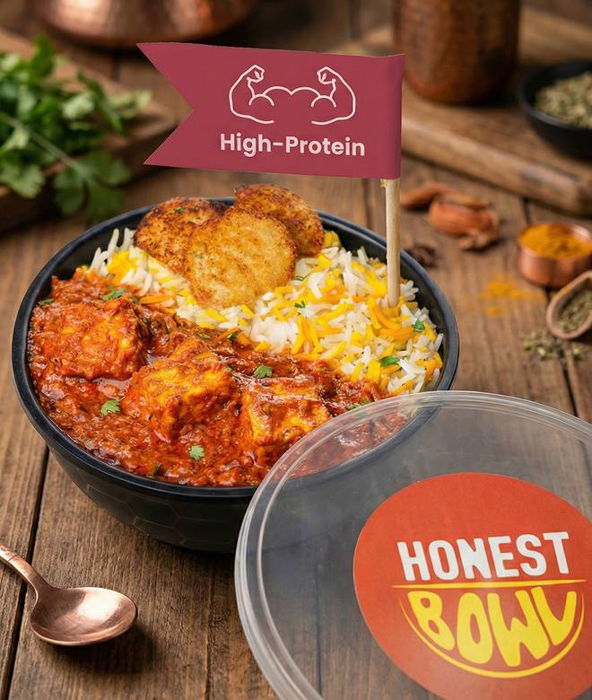
🍊 Restaurant Information

Name | Honest Bowl
Area | Manjalpur
Rating | 4.3
Total Ratings | 189 ratings
Cuisines | North Indian, High Protein
Cost for Two | ₹200 for two
Delivery Time | 36 mins
Swiggy URL | https://www.swiggy.com/city/vadodara/honest-bowl-ongc-road-manjalpur-rest1053923
Scraped On | 18 Mar 2026, 10:08 am

── Menu Stats ──
Total Items | 16
Veg Items | 0
Non-Veg Items | 0
Bestsellers | 0
Items with Photo | 16
Categories | Recommended

