Info
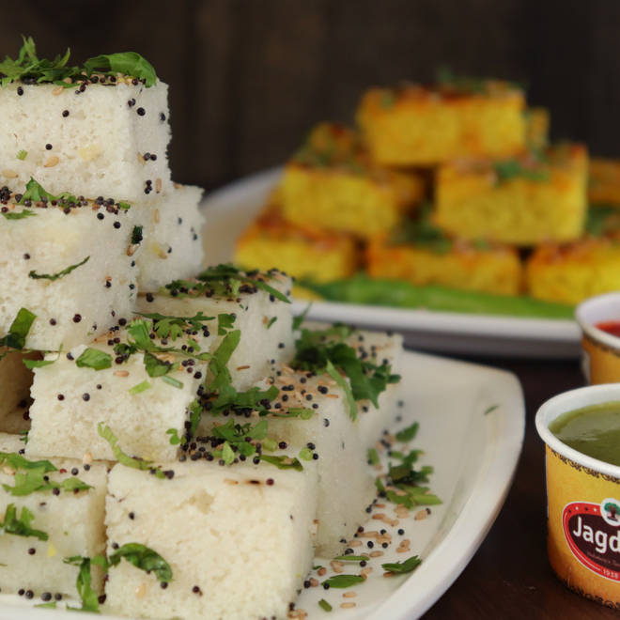
🍊 Restaurant Information

Name | Jagdish Farshan Pvt Ltd
Area | VIP
Rating | 4.6
Total Ratings | 3.7K+ ratings
Cuisines | Sweets, Snacks
Cost for Two | ₹367 for two
Delivery Time | 34 mins
Swiggy URL | https://www.swiggy.com/city/vadodara/jagdish-farshan-pvt-ltd-vip-rest94633
Scraped On | 18 Mar 2026, 10:06 am

── Menu Stats ──
Total Items | 299
Veg Items | 0
Non-Veg Items | 0
Bestsellers | 0
Items with Photo | 289
Categories | Hot Snacks, Sweets, Namkeens, Farali, Premium Bakery, Special Offers, Shrikhand, Special Combos, Authentic Baklava, Special Lassi, Crunch, Summer Special

