Info
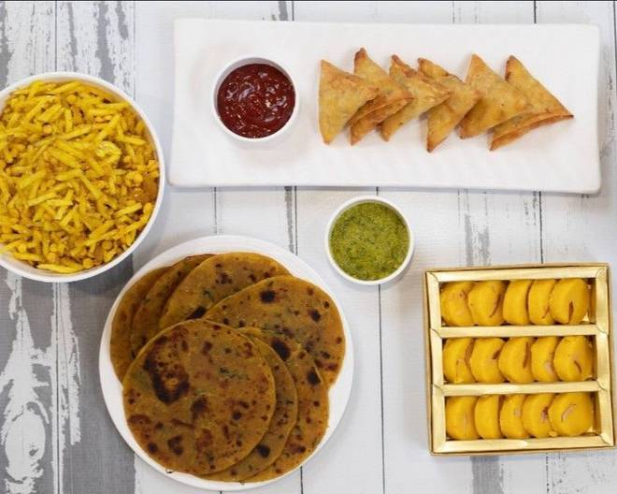
🍊 Restaurant Information

Name | Jagdish Foods Pvt Ltd
Area | Sayajiganj
Rating | 4.7
Total Ratings | 25K+ ratings
Cuisines | Fast Food, Street Food
Cost for Two | ₹200 for two
Delivery Time | 13 mins
Swiggy URL | https://www.swiggy.com/city/vadodara/jagdish-foods-pvt-ltd-sayajigung-sayajiganj-rest67453
Scraped On | 18 Mar 2026, 10:03 am

── Menu Stats ──
Total Items | 151
Veg Items | 0
Non-Veg Items | 0
Bestsellers | 0
Items with Photo | 125
Categories | Recommended, Hot Snacks, Namkeens And Farsan, KHAKHRA , Indian Sweets, Chikki

