Info
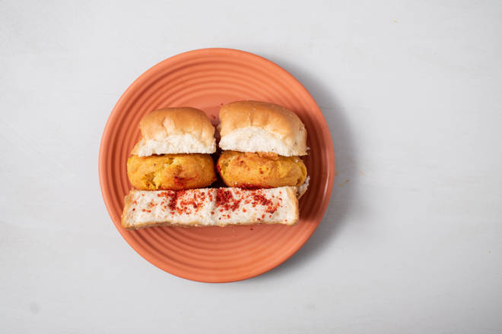
🍊 Restaurant Information

Name | Jay Bhavani Vadapav
Area | Akota
Rating | 4.5
Total Ratings | 3 ratings
Cuisines | Indian, Snacks
Cost for Two | ₹200 for two
Delivery Time | 25 mins
Swiggy URL | https://www.swiggy.com/city/vadodara/jay-bhavani-vadapav-galav-chambers-akota-rest788277
Scraped On | 18 Mar 2026, 10:09 am

── Menu Stats ──
Total Items | 11
Veg Items | 0
Non-Veg Items | 0
Bestsellers | 0
Items with Photo | 0
Categories | Maggi, Pulav, Puff

