Info
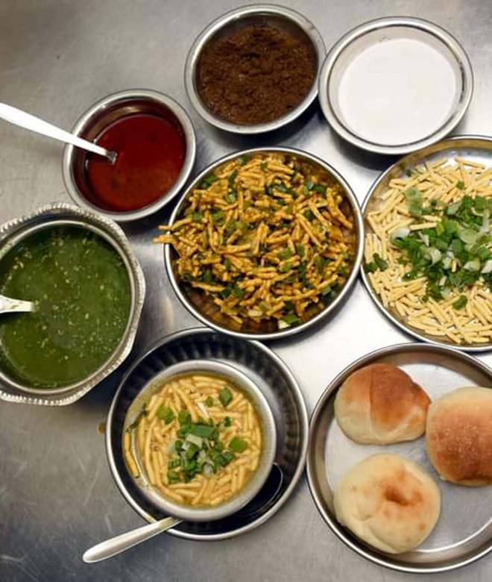
🍊 Restaurant Information

Name | Jay Mahakali Sev Usal
Area | Mandvi
Rating | 4.2
Total Ratings | 16 ratings
Cuisines | Street Food, Snacks
Cost for Two | ₹100 for two
Delivery Time | 34 mins
Swiggy URL | https://www.swiggy.com/city/vadodara/jay-mahakali-sev-usal-dandia-bazaar-road-mandvi-rest698722
Scraped On | 18 Mar 2026, 10:14 am

── Menu Stats ──
Total Items | 4
Veg Items | 0
Non-Veg Items | 0
Bestsellers | 0
Items with Photo | 2
Categories | Milk Shake

