Info
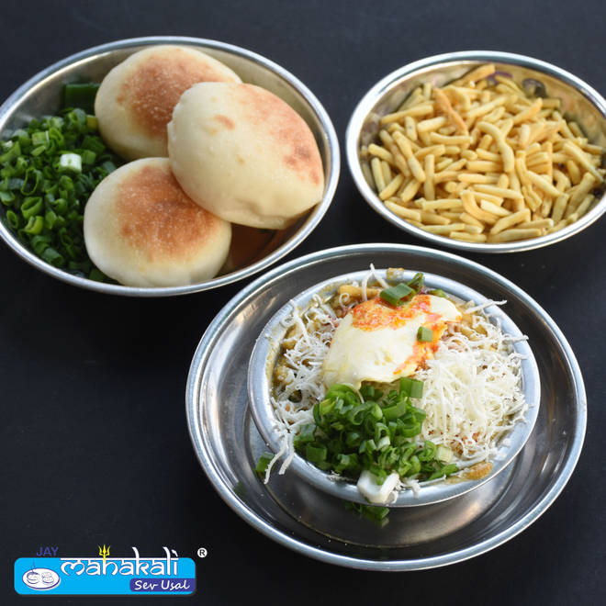
🍊 Restaurant Information

Name | Jay Mahakali Sev Usal (Kirti Stambhwala)
Area | Kirti Stambh
Rating | 4.6
Total Ratings | 8.1K+ ratings
Cuisines | Snacks, Street Food
Cost for Two | ₹200 for two
Delivery Time | 29 mins
Swiggy URL | https://www.swiggy.com/city/vadodara/jay-mahakali-sev-usal-kirti-stambhwala-rajmahal-road-kirti-stambh-rest80202
Scraped On | 18 Mar 2026, 10:03 am

── Menu Stats ──
Total Items | 12
Veg Items | 0
Non-Veg Items | 0
Bestsellers | 0
Items with Photo | 10
Categories | Recommended, Sev Usal, Extra

