Info
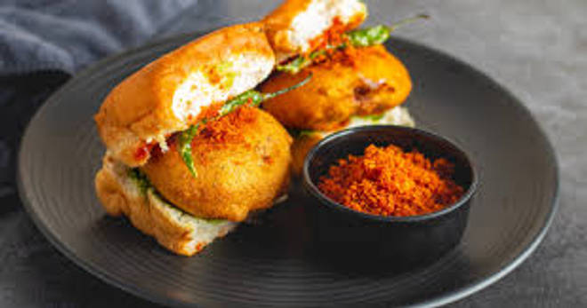
🍊 Restaurant Information

Name | Jay Mahakali Vadapav and Dabeli
Area | Nizampura
Rating | 4.9
Total Ratings | 7 ratings
Cuisines | Snacks
Cost for Two | ₹150 for two
Delivery Time | 22 mins
Swiggy URL | https://www.swiggy.com/city/vadodara/jay-mahakali-vadapav-and-dabeli-nizampura-rest1287303
Scraped On | 18 Mar 2026, 10:27 am

── Menu Stats ──
Total Items | 16
Veg Items | 0
Non-Veg Items | 0
Bestsellers | 0
Items with Photo | 4
Categories | Vadapav

