Info
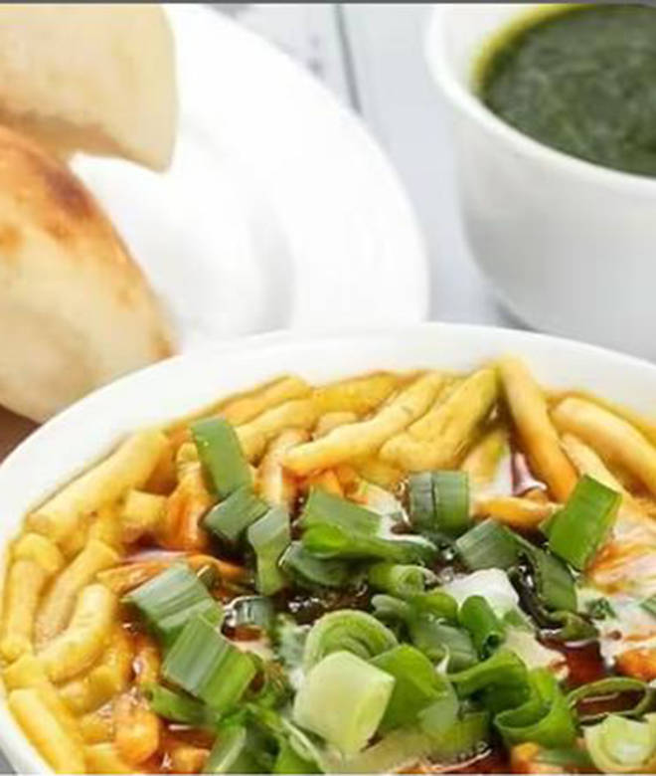
🍊 Restaurant Information

Name | Jay Ranchhod Sev Usad
Area | Manjalpur
Rating | 4
Total Ratings | 335 ratings
Cuisines | Gujarati, Snacks
Cost for Two | ₹150 for two
Delivery Time | 1446 mins
Swiggy URL | https://www.swiggy.com/city/vadodara/jay-ranchhod-sev-usad-dandia-bazaar-road-manjalpur-rest600450
Scraped On | 18 Mar 2026, 10:25 am

── Menu Stats ──
Total Items | 27
Veg Items | 0
Non-Veg Items | 0
Bestsellers | 0
Items with Photo | 16
Categories | Special Sev Tari, Sev Usad Combo, Sev Usad, Extras

