Info
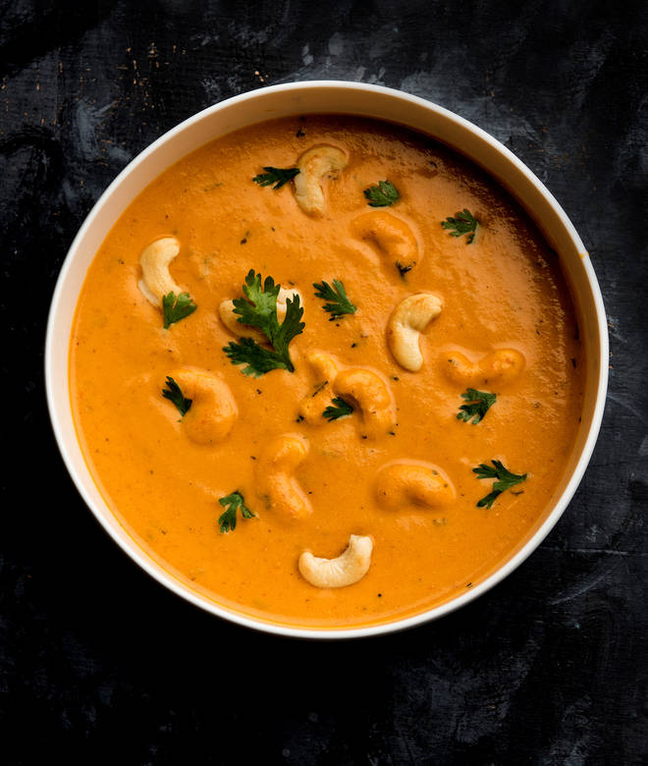
🍊 Restaurant Information

Name | Jay Shraddha Sev Usal
Area | Mandvi
Rating | 4.3
Total Ratings | 218 ratings
Cuisines | Fast Food
Cost for Two | ₹200 for two
Delivery Time | 31 mins
Swiggy URL | https://www.swiggy.com/city/vadodara/jay-shraddha-sev-usal-sursagar-mandvi-rest500670
Scraped On | 18 Mar 2026, 10:24 am

── Menu Stats ──
Total Items | 15
Veg Items | 0
Non-Veg Items | 0
Bestsellers | 0
Items with Photo | 14
Categories | Recommended, Extra

