Info
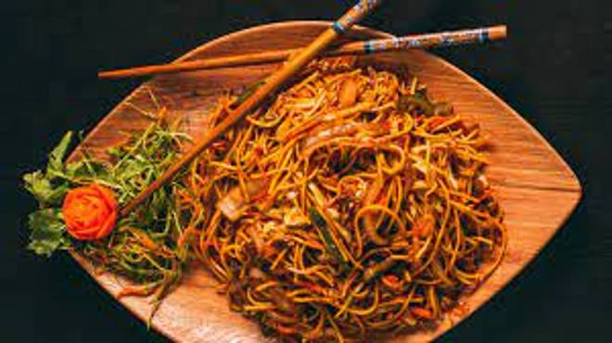
🍊 Restaurant Information

Name | Jiya's Kitchen
Area | Fatehgunj
Rating | 4.3
Total Ratings | 460 ratings
Cuisines | Chinese, North Indian
Cost for Two | ₹200 for two
Delivery Time | 38 mins
Swiggy URL | https://www.swiggy.com/city/vadodara/jiyas-kitchen-new-sama-road-fatehgunj-rest814297
Scraped On | 18 Mar 2026, 10:22 am

── Menu Stats ──
Total Items | 72
Veg Items | 0
Non-Veg Items | 0
Bestsellers | 0
Items with Photo | 49
Categories | Recommended, Veg Main Course, Non Veg Main Course, Veg Chinese, Non Veg Chinese, Veg breakfast, Non Veg Break Fast, Egg, Roti

