Info
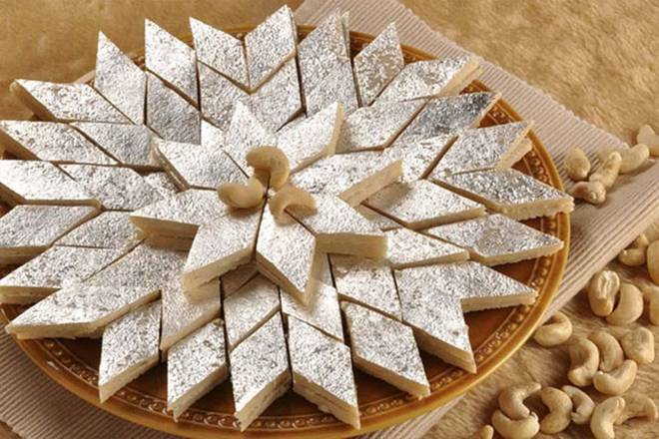
🍊 Restaurant Information

Name | Kheteshwar Sweet & Farsan House
Area | Sayajigunj
Rating | 4.5
Total Ratings | 447 ratings
Cuisines | Sweets, Snacks
Cost for Two | ₹200 for two
Delivery Time | 16 mins
Swiggy URL | https://www.swiggy.com/city/vadodara/kheteshwar-sweet-and-farsan-house-akota-sayajigunj-rest829517
Scraped On | 18 Mar 2026, 10:21 am

── Menu Stats ──
Total Items | 171
Veg Items | 0
Non-Veg Items | 0
Bestsellers | 0
Items with Photo | 44
Categories | Recommended, Holi Hampers, Special Ghevar, Hot Snacks, Sugar Free Sweets, Kaju Sweets, Bengali Sweets, Ghee Sweets, Mawa Sweets, Namkeen, Shrikhand and Baklava, Handmade Khakhra, Chocolate Coated Dry Fruits, Mithai Boxes, Quick Combos, Super Saver Pack, Aamras

