Info
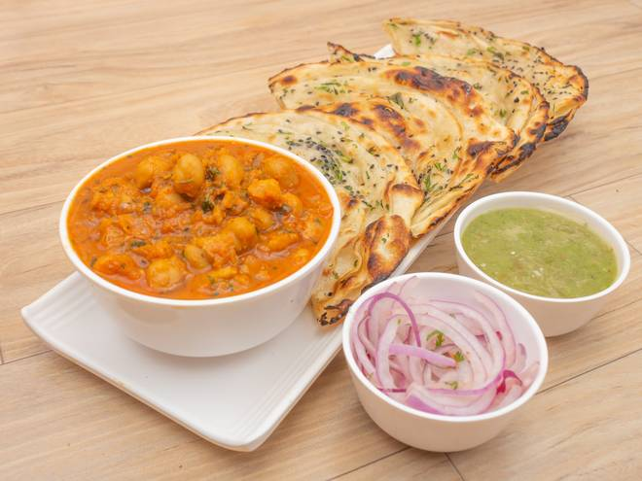
🍊 Restaurant Information

Name | Kishan Punjabi Chhole Kulche
Area | Amrapali Complex
Rating | 4.6
Total Ratings | 2.9K+ ratings
Cuisines | North Indian, Punjabi
Cost for Two | ₹250 for two
Delivery Time | 30 mins
Swiggy URL | https://www.swiggy.com/city/vadodara/kishan-punjabi-chhole-kulche-karelibagh-amrapali-complex-rest449048
Scraped On | 18 Mar 2026, 10:13 am

── Menu Stats ──
Total Items | 13
Veg Items | 0
Non-Veg Items | 0
Bestsellers | 0
Items with Photo | 13
Categories | Recommended, Chole By Kilo

