Info
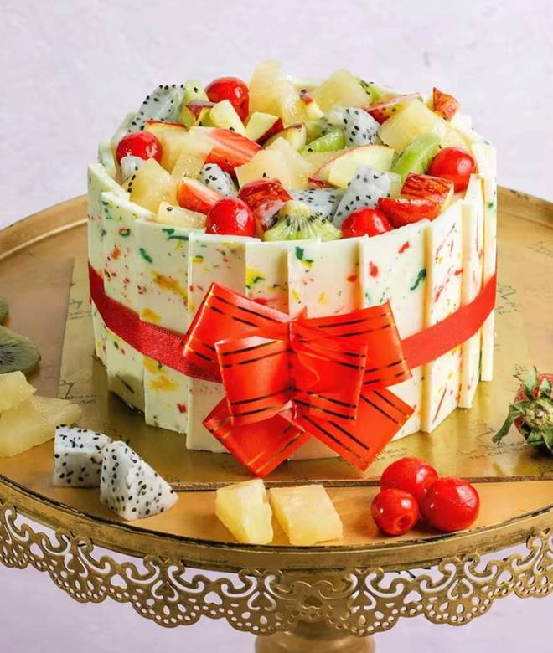
🍊 Restaurant Information

Name | La Belleza - The Cake Mall
Area | Fatehgunj
Rating | 4.3
Total Ratings | 721 ratings
Cuisines | Bakery, Desserts
Cost for Two | ₹400 for two
Delivery Time | 18 mins
Swiggy URL | https://www.swiggy.com/city/vadodara/la-belleza-the-cake-mall-nr-petrol-pump-fatehgunj-rest769604
Scraped On | 18 Mar 2026, 10:20 am

── Menu Stats ──
Total Items | 145
Veg Items | 0
Non-Veg Items | 0
Bestsellers | 0
Items with Photo | 124
Categories | Recommended, Cakes, Special Premium Cakes, Desserts, Special Heart Shaped Cakes, Mothers Day Special Cakes, Cakes WIth bouquet Combos, La Belleza - The Cake Mall, Bento Cakes, Exclusive Valentine's Day, Special Combos, Pastries, Anniversary Special Cakes, Tub & Glass Jar Desserts, Shravan Special Faradi Cake, New Year Cakes, Xmas & New Year Special Cakes, Premium Valentine Day Cakes With Rose (13)

