Info
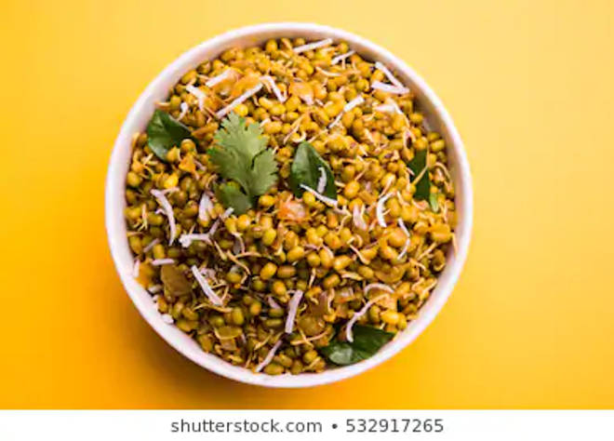
🍊 Restaurant Information

Name | Lalabhai Sev Usal (Chokhandi) Wala
Area | Mandvi
Rating | 4.2
Total Ratings | 5.1K+ ratings
Cuisines | Snacks
Cost for Two | ₹150 for two
Delivery Time | 28 mins
Swiggy URL | https://www.swiggy.com/city/vadodara/lalabhai-sev-usal-chokhandi-wala-mandvi-rest138473
Scraped On | 18 Mar 2026, 10:13 am

── Menu Stats ──
Total Items | 10
Veg Items | 0
Non-Veg Items | 0
Bestsellers | 0
Items with Photo | 5
Categories | Recommended, 99 Store, Extras, Snacks

